scenario pyspark
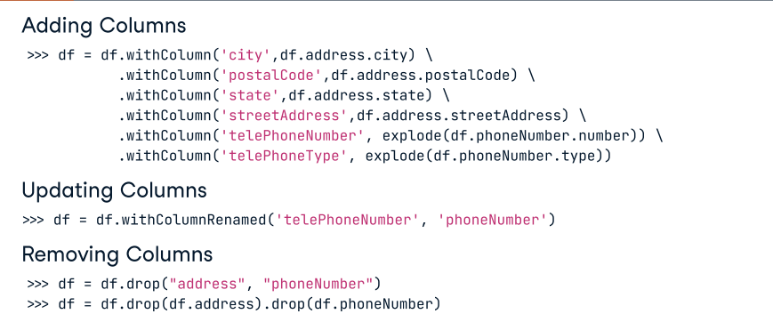
1.how to import pyspark and create pyspark session
from pyspark.sql import SparkSession spark = SparkSession.builder.appName("example").getOrCreate()

2. Handling Large-Scale Data(Scenario): You’re working on a project that involves processing extremely large datasets using Spark. How would you optimize your Spark job to handle data skew and ensure efficient resource utilization? Discuss the strategies and techniques you would employ.
To optimize Spark jobs for processing extremely large datasets and addressing data skew, consider these strategies: -->Partitioning: Ensure your data is evenly distributed across partitions to avoid data skew. Use repartition or coalesce operations as needed. -->Broadcasting: When dealing with small lookup tables, broadcast them to all worker nodes to reduce data shuffling. -->Caching and Persistence: Cache intermediate dataframes or persist them in memory to avoid recomputation. -->Salting: Add a random or hashed column to your data to distribute skewed keys more evenly. -->Bucketing: When using Hive or Spark SQL, bucketing your data can help optimize joins on large datasets. -->Dynamic Allocation: Enable Spark’s dynamic allocation feature to efficiently allocate and deallocate resources based on workload.

3. Performance Optimization(Scenario): You have a Spark job that is running slowly due to data shuffling and network overhead. Explain the techniques and best practices you would apply to improve the performance of this Spark job, specifically focusing on reducing data shuffling.
To improve the performance of a Spark job with data shuffling, follow these best practices: Use Narrow Transformations: Prefer narrow transformations like map, filter, and reduceByKey over wide transformations like groupByKey and join. Narrow transformations minimize data shuffling. Avoid Cartesian Joins: Cartesian joins can cause massive data explosions. Use appropriate join strategies such as broadcast joins or bucketed joins. Tune Spark Configuration: Adjust Spark settings like spark.sql.shuffle.partitions, spark.executor.memory, and spark.driver.memory for optimal resource allocation. Data Compression: Compress data before storing it in distributed storage systems like HDFS or S3. Spark can read compressed data directly, reducing I/O and network overhead. Cluster Sizing: Ensure your cluster has the right balance of CPU, memory, and storage resources to handle the workload efficiently.

4. Handling Data Skew(Scenario): In a distributed Spark application, you encounter a situation where a few partitions have significantly more data than others, leading to data skew. How would you address this issue to ensure balanced processing and prevent performance bottlenecks? Discuss strategies and techniques you would use to handle data skew in Spark.
To address data skew in Spark, consider the following strategies: Salting: Add a random or hashed prefix to skewed keys to distribute them evenly across partitions. Custom Partitioning: Implement custom partitioning logic to control data distribution based on key ranges or attributes. Bucketing: Use bucketing in Hive or Spark SQL to distribute data uniformly across buckets, allowing for efficient joins and aggregations. Broadcast Joins: For small tables involved in joins, broadcast them to all worker nodes to avoid shuffling. Sampling: If possible, consider using data sampling techniques to identify skewed data and apply specific transformations. Handling data skew often requires a combination of these strategies tailored to your specific use case and dataset.

5. What are the key differences between RDDs, DataFrames, and Datasets in PySpark?
Spark Resilient Distributed Datasets (RDD), DataFrame, and Datasets are key abstractions in Spark that enable us to work with structured data in a distributed computing environment. Even though they are all ways of representing data, they have key differences: RDDs are low-level APIs that lack a schema and offer control over the data. They are immutable collections of objects DataFrames are high-level APIs built on top of RDDs optimized for performance but are not safe-type. They organize structured and semi-structured data into named columns. Datasets combine the benefits of RDDs and DataFrames. They are high-level APIs that provide safe-type abstraction. They support Python and Scala and provide compile-time type checking while being faster than DataFrames.

6. Explain the concept of window functions in PySpark and provide an example.
PySpark Window functions allow us to apply operations across a window of rows returning a single value for every input row. We can perform ranking, analytics, and aggregate functions. Here it’s an example of how to apply a window function in PySpark: from pyspark.sql.window import Window from pyspark.sql.functions import row_number # Define the window function window = Window.orderBy("discounted_price") # Apply window function df = df_from_csv.withColumn("row_number", row_number().over(window))

7. What challenges have you faced when working with large datasets in PySpark? How did you overcome them?
With this question, we can relate to our own experience and tell a particular case in which encountered challenges with PySpark and large datasets that can include some of the following: Memory management and resource utilization. Data skewness and uneven workload distribution. Performance optimization, especially for wide transformations and shuffles. Debugging and troubleshooting complex job failures. Efficient data partitioning and storage. To overcome these issues, PySpark provides partitioning of the dataset, caching intermediate results, using built-in optimization techniques, robust cluster management, and leveraging fault tolerance mechanisms.

8. Describe how you would optimize a PySpark job that is running slowly. What are the key factors you would look at?
If a PySpark job is running slow, there are several aspects we can improve to optimize its performance: Ensuring a proper size and number of data partitions to minimize data shuffling during transformations. Using DataFrames instead of RRDs because they already use several Optimization modules to improve the performance of spark workloads. Using broadcasting joins and broadcast variables for joining a small dataset with a larger dataset. Caching and persisting intermediate DataFrames that are reused. Adjusting the number of partitions, executor cores, and instances to effectively use cluster resources. Choosing the appropriate file formats to minimize data size.

9. What are the different ways to deploy and manage PySpark applications?
We can deploy and manage PySpark applications using the following tools: YARN: a resource manager that helps us deploy and manage the apps on Hadoop clusters Kubernetes: Spark provides support to deploy the apps using Kubernetes clusters Databricks: It provides a fully managed platform for PySpark applications, abstracting the complexity of cluster management.

10. How add , update and remove column in dataframe ?

